1. Title Page
[Instacart Grocery Basket]

Project Name: Instacart Grocery Basket Analysis
Date: 6/18/23
Analyst Name: Dominic Bracy

Contents:
Population Flow
Consistency checks
Wrangling steps
Column derivations
Visualizations
Recommendations

 | Data Citation:
 | Customer data, as well as the "prices" column in the products data set, were both fabricated for the purpose of this project.
 | “The Instacart Online Grocery Shopping Dataset 2017”, Accessed from www.instacart.com/datasets/grocery-shopping-2017 via Kaggle on [date].

2. Population Flow
Title page

Population flow

Exclusion flag
Condition: max_order < order < 5
Obervations to be removed: 1,440,295
Final total count of order_products_all: 32,404,859

Orders_products_combined
Orders_products_merged
Orders_products_all

Total:32,404,859
Total:32,434,489
Total:32404859

1.) The grey boxes in the first row of the population flow represent the original data sets as they were when you downloaded them. In the Total fields you need to add the count of the rows when you imported the data set into Jupyter.
2.) The second row of boxes (coloured) represents the data sets after you manipulated them, e.g., removed missing values and duplicates. In the Total fields you need to add the count of the rows after conducting these operations. This offers a visual oveview of how the data flows throughout the data consistency checks.
3.) The third row, where also the arrows are coloured, represents the merges you performed between the datasets. In the Total fields you need to add the count of the rows in the merged datasets, so that you end up with the final dataset (in the red box). Keep in mind the final dataset should be without exclusions (based on the exclusion flag).

3. Consistency checks
 |  |  |  | Title page
Consistency checks

Dataset | Missing values | Missing values treatment | Duplicates
orders | 206209 missing values in 'days since prior order' | No change. It indicates the new customer, the one that placed his first order, assigned with order number 1. | No duplicates
products | 16 in the "product name" | dropped from a column | 5 duplicates deleted
 | Several odd values in the "prices" column were unrealistically high, namely eather $14,900.00,or $99,999.00. It have been found out in Task 4.9. It was recommended to copy the code into our notebook from Exercise 4.8. | By the recommendationg given in Exercise 4.9, all 5,127 rows with outlier observations have been turned into NaNs.

orders_products_prior | No missing values |  | No duplicates
customers | No missing values |  | No duplicates

4. Wrangling steps
 |  |  |  | Title page
Wrangling steps

Columns dropped | Columns renamed | Columns' type changed | Comment/Reason
eval_set' from orders |  |  | Column not needed for further analysis
 | order_dow' from orders to 'orders_day_of_week' |  | For better understanding
 |  | 'order_id' from orders to str | It is an unique identifier and not an integer
 |  | 'user_id' from orders to str | It is an unique identifier and not an integer
surnam' from customers |  |  | Column not needed for further analysis
First Name' from customers |  |  | Column not needed for further analysis
 | 'Gender' from customers to 'gender' |  | For uniformity
 | 'Age' from customers to 'age' |  | For uniformity
 | 'STATE' from customers to 'state' |  | For uniformity
 | 'n_dependants' fromcustomers to 'number_of_dependants' |  | For better understanding
 | 'fam_status' from customers to 'marital_status' |  | For better understanding

5. Column derivations
 |  |  |  |  |  | Title page

Column derivations and aggregations

In this tab you should add tables below that the frequences of flags/label variables that you produced after deriving them. NB: don't do this for continuous variables, only for flags.
Dataset | New column | Column/s it was derived from | Conditions
df_ords_prods_merged | price_range_loc | 'prices' | Low-range product' <= 5 'Mid-range product' > 5 and <= 15 'High range' else
df_ords_prods_merged | busiest_day | order_day_of_week | Busiest day == 0 Least busy == 4 Regular busy = all other | busiest_day | Regularly busy 22416875 Busiest day 6204182 Least busy 3783802
df_ords_prods_merged | 'busiest_days' | order_day_of_week | Busiest days =< 1 Least busy days >=3 Regularly busy = all other | price_range_loc | Mid-range 756450 Low-range 10126321 High-range 417678
df_ords_prods_merged | busiest_period_of_day | order_hour_of_day | Most orders >= 9 and value <= 16 Fewest orders >= 0 and value <= 6 and 23 Average orders else | busiest_days | Regularly busy 12916111 Busiest days 11864412 Least busy days 7624336
df_orders_products_merged_4.7 | max_order | user_id and order_number | groupby(['user_id'])['order_number'].transform(np.max) | busiest_period_of_day | Average orders 9997651 Most orders 21118071 Fewest orders 1289137
df_orders_products_merged_4.7 | loyalty_flag | max_order | Loyal customer > 40 Regular customer <= 40 and > 10 New customer <= 10 | max_order' | Min 1 Max 99
df_orders_products_merged_4.7 | avg_price | user_id and prices | groupby(['user_id'])['prices'].transform(np.average) | loyalty_flag | Regular customer 15876776 Loyal customer 10284093 New customer 6243990
df_orders_products_merged_4.7 | spending_flag | avg_price | loc[df['avg_price'] < 10, 'spending_flag'] = 'Low spender' loc[df['avg_price'] >= 10, 'spending_flag'] = 'High spender' | avg_price | Min 1 Max 25
df_orders_products_merged_4.7 | avg_days | user_id and days_since_prior_order | groupby(['user_id'])['days_since_prior_order'].transform(np.median) | 'spending_flag' | Low spender 31770646 High spender 634213
df_orders_products_merged_4.7 | frequency_flag | avg_days | Non-frequent customer > 20 Regular customer <= 20 and >= 10 Frequent customer <= 10 | avg_days | Min 0 Max 30
df_master | region | state | Northeast' = 'Maine','New Hampshire', 'Vermont', 'Massachusetts','Rhode Island','Connecticut','New York','Pennsylvania','New Jersey' 'Midwest' = 'Wisconsin','Michigan','Illinois','Indiana','Ohio','North Dakota','South Dakota','Nebraska','Kansas','Minnesota','Iowa','Missouri' 'South' = 'Delaware','Maryland','District of Columbia','Virginia','West Virginia','North Carolina','South Carolina','Georgia','Florida','Kentucky','Tennessee','Mississippi',' Alabama','Oklahoma','Texas','Arkansas','Louisiana' 'West' = else | 'frequency_flag' | Frequent customer 21559853 Regular customer 7208564 Non-frequent custome 3636437
df_master | age_group | age | Middle-aged ->= 35 and < 60 Young adult <35 Elderly >= 60 | region | South 10791885 West 8292913 Midwest 7597325 Northeast 5722736
df_master | income_level | income | Moderate-income >= 40000 and <80000 Low-income <4000 High Income >= 80000 | age_group | Middle-aged 12709949 Young adult 8627655 Elderly 11067255
df_master | alcohol_customer | departments_id | department_id == 5, user_id = alcohol consumer all other user_id's = non-alcohol consumer | income_level | Moderate-income 9846601 Low-income 1727198 High Income 20831060
df_master | income_level | income | Moderate-income >= 40000 and <80000 Low-income <4000 High Income >= 80000 | alcohol_customer | alcohol consumer 153696 non-alcohol consumer 32251163
df_master | family_flag | n_dependants and fam_status | fam_status is in 'divorced/widowed', 'living with parents and siblings', 'single' & n_dependants ==0 = single no dependants fam_status is in 'divorced/widowed', 'living with parents and siblings', 'single' & n_dependants >=1 = single with dependants fam_status == married & n_dependants == 1 = married no dependants fam_status == married & n_dependants > 1 = married with dependants | family_flag | single no dependants 8097503 single with dependants 1550603 married no dependants 7550904 married with dependants 15205849
 |  |  |  | Pet Owner | Pet Owner consumer 97716 non-Pet Owner consumer 32307143

6. Visualizations
 |  |  |  | Title page

Visualisations

In this tab you should include all the visualtions from Exercises 4.9 and 4.10, alongside the questions from the project brief that they answer. Include any commentary on the relationship between different variables.

Exploratory Visuals

 | The sales team needs to know what the busiest days of the week and hours of the day are. They also want to know whether there are particular times of the day when people spend the most money

Sales by Day of the Week |  | Orders by Hour of the Day |  |  | Average Prices by Hour of the Day


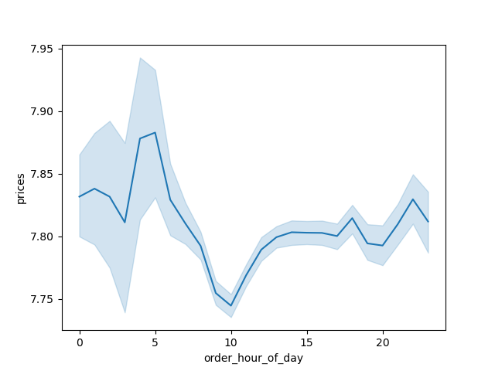

 | Figure. 1 |  | Figure. 2 |  |  | Figure. 3
 | Here we can see the distribution of sales across the 7 days of the week (0 - 6 = Saturday - Friday).Saturday is the busiest day of the week followed by Sunday. It is unsurprisingly that the weekend is the busiest period for sales. Monday and Tuesday have the lowest sales of the week. |  | Here we can see the distribution of sales by hour throughout the day. The sales follow a clear pattern with a normal distribution. The sales peak between 10am and 3pm before tapering off into the evening. Unsurprisingly the lowest sales are in the early morning hours. |  |  | Here we are looking at how the average price of goods sold varies throughout the day. While there is some variation the average for the whole day is between $7.75 and $7.90 so the variation is negligible.

 | Marketing and sales want to use simpler price range groupings to help direct their efforts


Sales by Price of Goods

 | Figure. 4
 | Here we can see the distribution of pricing (under $25). The vast majority of goods are priced under $15. With the most common price being approximately $7.

 | Are there certain types of products that are more popular than others?

Sales by Department
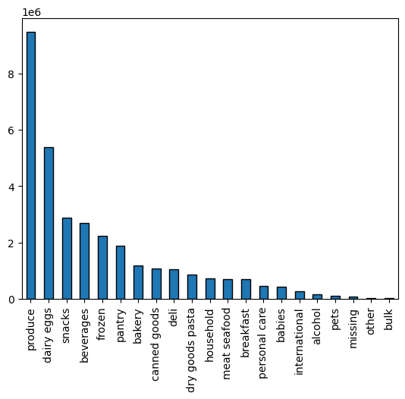

 | Figure. 5
 | Here we can see the distribution of sales by department. Produce represents the largest department by quite a large distance. Dairy and egg products had the second highest sales with snack and beverages next.

 | The marketing and sales teams are particularly interested in the different types of customers in their system and how their ordering behaviors differ.

Customers by Loyalty Flag |  |  | Customer Age and Income |  | Age Group Distribution


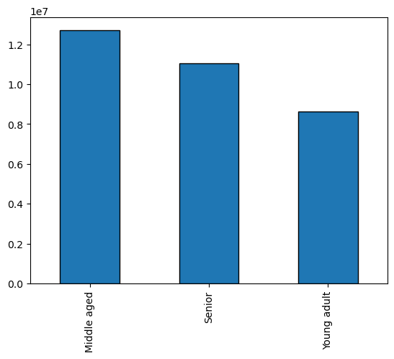

 |  |  | Figure. 7
 |  |  | From this graph we can observe a connection between age and income. We can see that the the vast majority, in all age groups, tend to earn under 200,000. Around age 40+ more of population is earning up to 300,000. Between 20's and 40's no one is earning more than 400,000. We can also observe that between 40's and 80's people tend to earn no more than 600,000. Our conclusion is that income generally tends to increase after 40 years of age, which makes sense, as people at that time get promotions and work on senior levels, and it is normal increase in salery for that life period. We can conclude that people mostly earn till 40 years of age around 200,000, although there exist some percentage that earn more than that, but at the same time less than 400,000. After age of 40 majority earns around 300,000 although some can earn up to 600,000.

 |  |  |  |  |  | Figure. 8
 | Figure. 6 |  |  |  |  | We have defined three age groups; middle aged is the largest of those groups with people aged between 35 and 60. Elderly people is the second largest group and is over 60s and the under 35s are the smallest group.
 | Here we can see the distribution of customers by their loyalty flag. Regular customers had the highest total and we defined as customers who had placed between 10 and 40 orders. Loyal customers were those with more than 40 orders and

Number of Dependents by Age |  |  | Age Group by Region |  |  | Income Group Distribution
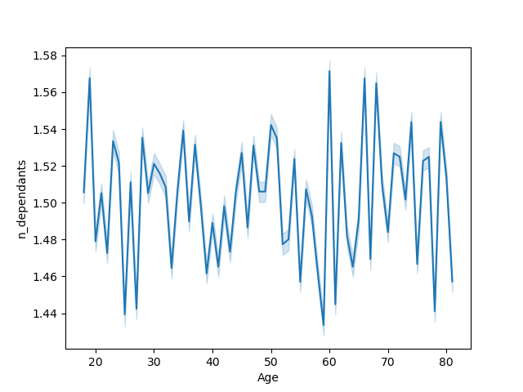
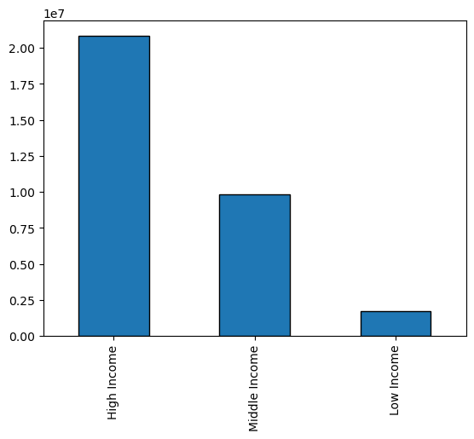
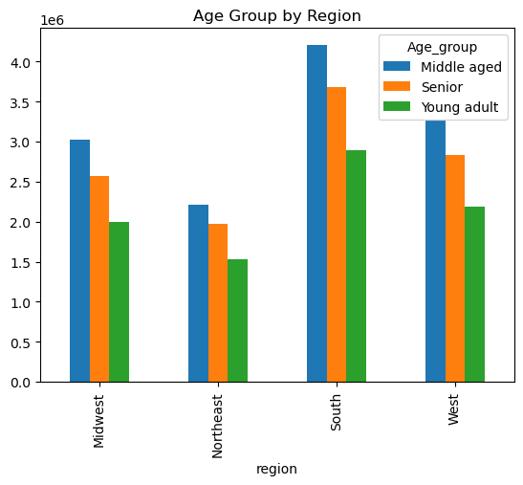

 | Figure. 9
 | There is very little pattern to note of here in the distribution of dependents among the different ages of customers.

 |  |  | Figure. 10
 |  |  | The distribution of age groups across the regions is very similar across all four regions. While the South represents the largest region the relative distribution of the groups is very similar.
 |  |  |  |  |  | Figure. 11
 |  |  |  |  |  | We have group the customers together paced on their income. High income customers (over $80,000) represent the largest group followed by moderate (between $40,000 and $80,000) and then lastly low-income customers represent the smallest group.

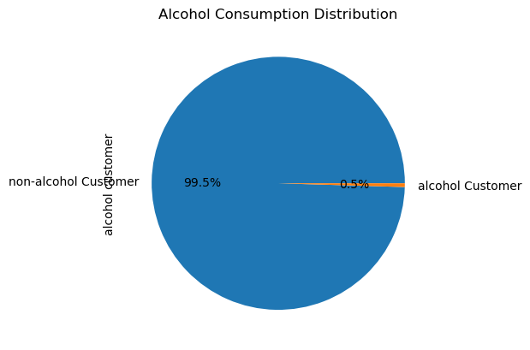
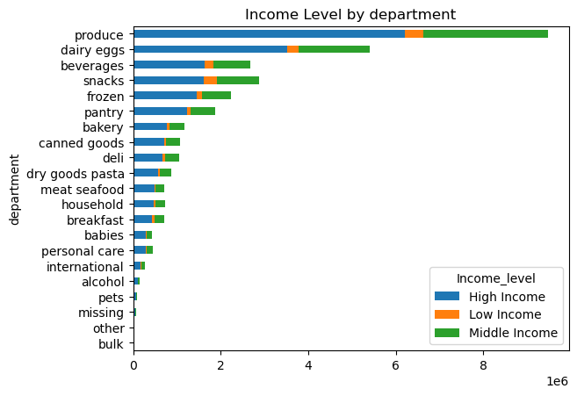
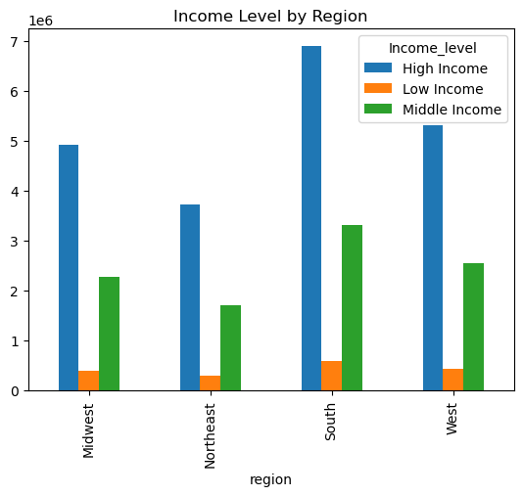

 | Figure. 12 |  | Figure. 13 |  |  | Figure. 14
 | The pie chart shows the percentage of customers who purchase alcohol on Instacart. As we can see a very small percentage of customers purchase alcohol. |  | Here we can see how sales across each department are comprised of sales from each of the three income groups. As we would expect high-income customers represent the largest percentage of sales by far. |  |  | The distribution of income groups across the different regions vary in a significant was as we can see that high income earners are across the board.

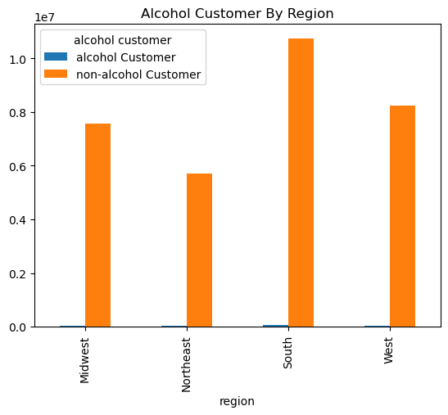
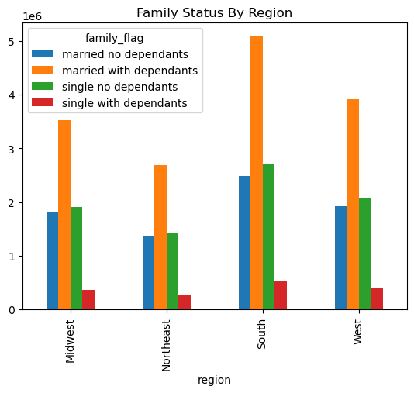
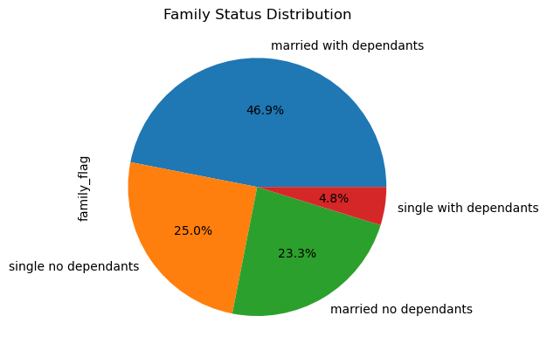

 | Figure. 15 |  | Figure. 16 |  |  | Figure. 17
 | The distribution of alcohol consumers across each region largely matches the total distribution and there are no trends that we can see. |  | The distribution of family groups across the different regions do not appear to present any significant patterns. |  |  | The pie chart shows the distribution of different family profiles. The largest group with just under half of all customers are married with dependents. Far less customers are not married.

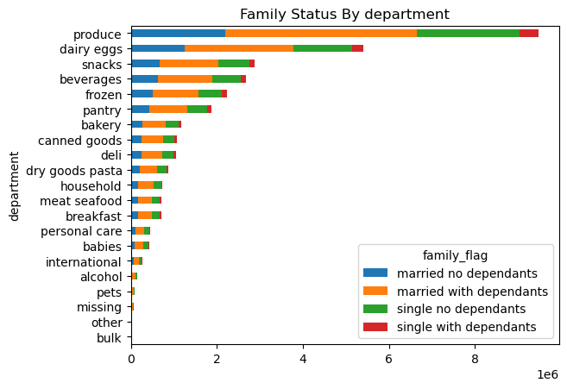
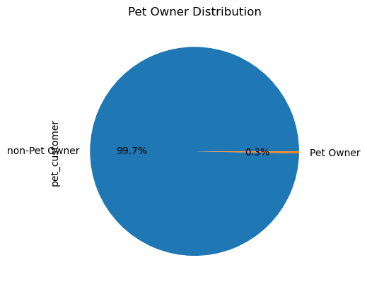
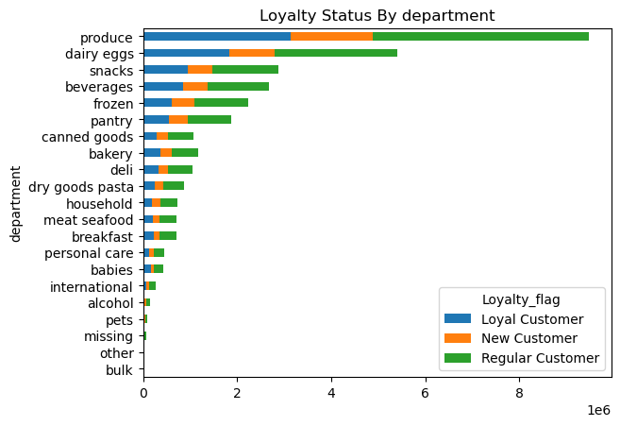

This stacked bar-chart represents the average number of products that are being bought in different departments by different shoppers profiles.
In almost all the departments we can observe similar distributions.
Adult, older adult and young adult (all weekend shoppers) tned to spend more money on "international" (6) and "canned goods" (15).
Adult, older adult and young adult (all working-day shoppers) tend to spend more money on "beverages" (7), "pets" (8), "personal care" (11) and "household" (17).
 | Figure. 18 |  | Figure. 19 |  |  | Figure 20
 | One thing from this visual that stood out was that babies department numbers were suprisingly low even with arried dependants families. |  | The pie chart shows the distribution of our pet owner customers. In this visual we can see that we have a very small percentage of customers who are pet owners. |  |  | This stacked bar-chart represents the average number of products that are being bought in different departments by different shoppers profiles. In almost all the departments we can observe similar distributions. Adult, older adult and young adult (all weekend shoppers) tned to spend more money on "international" (6) and "canned goods" (15). Adult, older adult and young adult (all working-day shoppers) tend to spend more money on "beverages" (7), "pets" (8), "personal care" (11) and "household" (17).

7. Recommendations
 |  |  |  |  |  | Title page

Recommendations
Recommendations

In this tab you should include any recommendations you would made to Instcart in terms of their marketing strategy based on the questions posed in the brief. Every key question has been covered in the Tasks of the Exercises - here you need to add an item - a visualisation or table/crosstable that is showing the answer in the data, acompanied by a comment from you. Please, list the questions below and add the answer underneath.
In this tab you should include any recommendations you would made to Instcart in terms of their marketing strategy based on the questions posed in the brief. Every key question has been covered in the Tasks of the Exercises - here you need to add an item - a visualisation or table/crosstable that is showing the answer in the data, acompanied by a comment from you. Please, list the questions below and add the answer underneath.

Question |  | Answer
Key Questions:

1. What the busiest days of the week and hours of the day are?

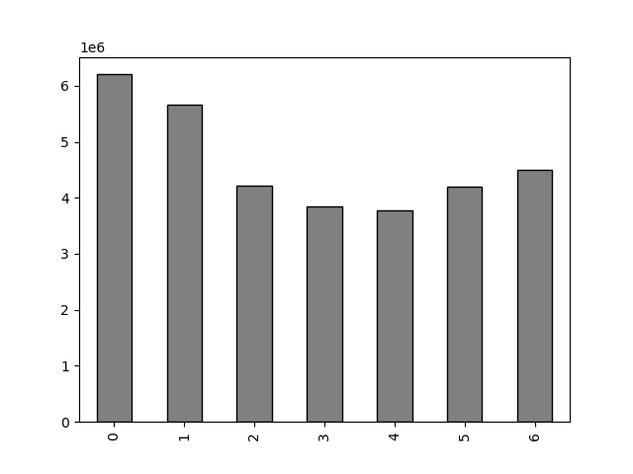

This bar chart represents the number of orders (y-axis) by the day of the week (x-axis).
Each day corresponds to a number, as follows:
0 = Saturday
1 = Sunday
2 = Monday
3 = Tuesday
4 = Wednesday
5 = Thursday
6 = Friday
We can observe that Friday, Saturday and Sunday are the busiest days of the week, where Sunday is being the most busiest day.
Wednesday is the least busy day.
We can conclude that the weekend is the time of the week with the most orders.

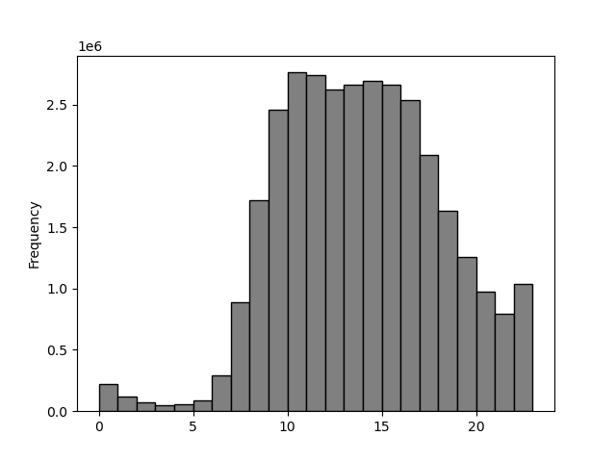

This histogram demostrates the frequency of orders (y-axis) by hour of the day (x-axis). The hours of the day are numbered as 24 hours clock.
It is easily visible that the pick of the day is between 10 am and 12 am. Orders are at their highest from 9am until 5 pm and then drop steadily to reach a low between midnight and 6 pm.

 |  |  |  |  | Recommendation: As the busiest days are Friday and Weekend, Instacart should try to focus more on Tuesday and Wednesday with their ads, in order to attract more customers on least busy days. Because the pick of the day is between 10am and 12 am, and in general at their highest from 9 am and 5 pm, recommendation is to place ads between 10am and 12 am, and again from 3pm till 5pm. As it is expected that during the working days customers mostly work, the time around noon (people are having a lunch break and surf more on their cell=phones and computers) and shortly before working day ends, are good time to reach new customers.

2. Are there particular times of the day when people spend the most money?
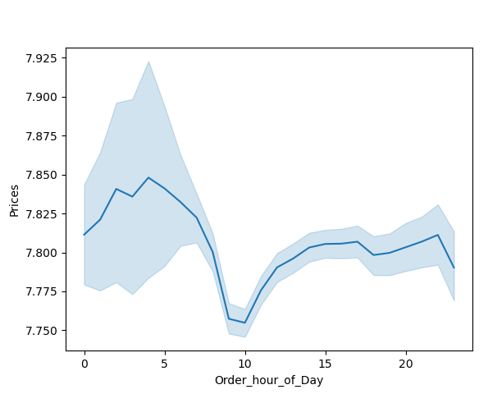

This line chart represents the average price of ordered item (y-axis) by order hour of the day (x-axis). The hours of the day are numbered as 24 hours clock.
It is easily visible that there is not a big range of average price for different hours of a day. Although we could say that there is a peak hour of a day at around 4 am , the difference between peak and trough at 10 am is only 10 cents.

 |  |  |  |  | Recommendation: Instacart should run more high-priced products ads in the early morning from 4 am till 8 am.

3. Marketing and sales want to use simpler price range groupings to help direct their efforts.

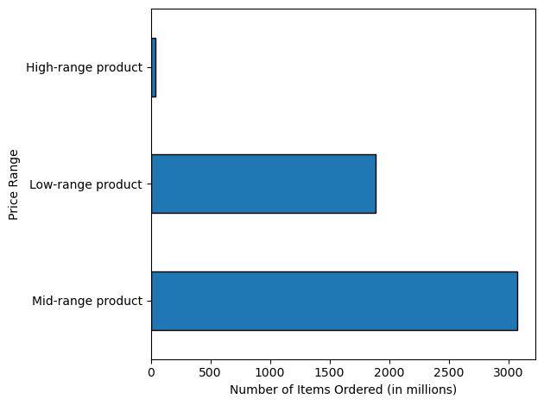

I have grouped products into low- mid- and high-range products. If the item's price is lower than or equal to $5 it is labeled "Low-range product" If the item's price is above $5 but lower than or equal to $15, it is labeled "Mid-range product". If the item's price is above $15, it is labeled a "High-range product". Please have a look at a tab 5, "Column derivations" for more details.

4. Are there certain types of products that are more popular than others?

This bar chart represents the amount of products that are being bought from different departments.
1 - frozen; 2 - other; 3 - bakery; 4 - produce; 5 - alcohol; 6 - international; 7 - beverages; 8 - pets; 9 - dry goods pasta; 10 - bulk; 11 - personal care; 12 - meat/seafood; 13 - pantry; 14 - breakfast; 15 - canned goods; 16 - dairy/eggs; 17 - household; 18 - babies; 19 - snacks; 20 - deli; 21 - missing
We can observe that the most popular products are from departments "produce" (4) and "dairy/eggs" (16).
Least popular are "other" (2) and "bulk" (10).

 |  |  |  |  | Recommendation: While certain products such as "produce," "dairy/eggs," "snacks," and "beverages" are selling exceptionally well, Instacart should consider allocating additional efforts to these high-performing items. Alternatively, the company could focus on generating more customer interest in lesser-sold categories like "pets," "other," and bulk products. Additionally, conducting thorough research into customers' preferences would be beneficial in order to effectively target and cater to their needs.

5.1 What’s the distribution among users in regards to their brand loyalty (i.e., how often do they return to Instacart)?

This bar chart represents number of customers who fall into one of the three categories:
1. Loyal customers - the one that have placed over 40 orders
2. Regular customers - the one that have placed between 10 and 40 orders
3. New customers - the one that have placed 10 or fewer orders
Loyal customers make up about one third of all customers while Regular customers make up 50% of all customers.

 |  |  |  |  | Recommendation: In order to enhance revenue from loyal customers, Instacart has the opportunity to implement loyalty programs or introduce various rewards. These initiatives aim to foster deeper connections with loyal customers and further elevate their satisfaction levels. By offering special discounts, bonuses, or other incentives, Instacart can express appreciation for their customers' loyalty and reinforce their esteemed status. These measures not only encourage continued patronage but also contribute to strengthening customer loyalty and overall satisfaction.

5.2. Are there differences in ordering habits based on a customer's loyalty status?

This stacked bar chart represents the relative number of orders that placed customers, of the three customer loyalty groups, in the different departments.
It can be observed that the pattern seems to be relatively consistent, although it can be seen that Loyal customers order more products from the "bulk"(10) and "babies" (18) departmentcompared to other customer groups.

 |  |  |  |  | Recommendation: While customer loyalty status may not significantly influence ordering habits, it is worth noting that loyal customers tend to spend more on "bulk" and "babies" products. However, Instacart should prioritize the implementation of loyalty programs or rewards for these customers, rather than focusing solely on these specific departments. By offering special discounts, bonuses, or other incentives, Instacart can effectively engage and satisfy their loyal customers. This approach demonstrates appreciation for their loyalty and reinforces their elevated status. By implementing such strategies, Instacart can further solidify customer satisfaction and foster stronger relationships with their loyal customer base.

5.3 Are there differences in ordering habits based on a customer’s region?
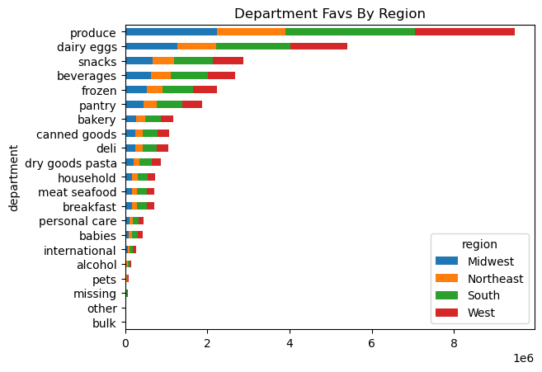
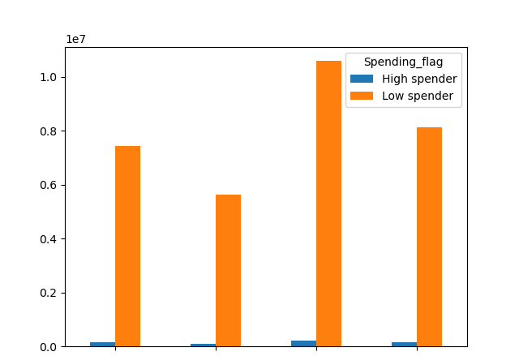

Midwest
Northeast
South
West

This stacked bar chart represents the relative amount of products ordered from different departments.
It can be observed that the pattern is consistent across all four regions.
This grouped bar chart represents the proportion of high and low spenders across all four regions.
We can observe that the proportion of high spenders is very low across all four regions, while the proportion of low spenders is relatively high.
It can be also seen that High spender and Low spender are in relatively the same proportion between them selves.
We can cocnlude that the region, where customers live, doesn't impact the amount of money that the customers spend.

Looking at the both charts it can be seen that in reality there are no differences in ordering habits based on customer's region.

 | Recommendation: We can see that geographical regions are of no impact on customers money spending so Instacart should consider other relevant factors that influence their customer's ordering habits.

5.4 Is there a connection between age and family status in terms of ordering habits?

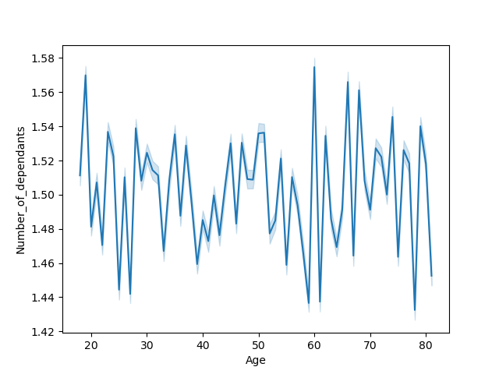


From this graph we can observe a connection between age and income.
We can see that the the vast majority, in all age groups, tend to earn under 200,000. Around age 40+ more of population is earning up to 300,000. Between 20's and 40's no one is earning more than 400,000. We can also observe that between 40's and 80's people tend to earn no more than 600,000. Our conclusion is that income generally tends to increase after 40 years of age, which makes sense, as people at that time get promotions and work on senior levels, and it is normal increase in salery for that life period. We can conclude that people mostly earn till 40 years of age around 200,000, although there exist some percentage that earn more than that, but at the same time less than 400,000. After age of 40 majority earns around 300,000 although some can earn up to 600,000.
The graph showes information about family situation through age groups.
There doesn't seem to be any relevant connection between age and family situation. We can observe that number of dependants increased dramatically in 20's which can be explained by people deciding to have a child. As it rise dramatically in 20's it also drops with the same trend around that age group. Possibly because of life circumstances relationships brake up, or because of financial instability, as people are looking for a job, having a child has been postponed. Around 30's we can observe more steady alternation of peaks and troughs which can maybe be due to still deciding about having a child/children. Between 40's and 50's we can observe positive trend in number of dependants which can be a reason of having a child living with parents, being still dependent of their financial help. There is steep downward trajectory for age groups between 50's and 60's which can be due to spouse's death, or children leaving their parents. Around 60's number of dependants increased dramatically which can be a reason of people taking cae of their elderly parents or elderly people taking care of their grandchildren. After 60's the trend slowed down noticably which can be because people taking care of their elderly parents and grandchildren. We can just guess all our predictions as there is really not any relevant connection between age and family situation. Because of all of these it would be hard to suggest the targeted marketing campaigns.

 |  |  |  |  | Recommendation: Income generally increase after 40 years of age, so Instacart could explore more the needs of that population and try to target their ads accordingly.

5.5 What different classifications does the demographic information suggest? Age? Income? Certain types of goods? Family status?



Recommendations
● With each of these different chart we can get a sense of demographics distribution of age, income and family status among Instacart customers.
● Our middle aged and high income customers represent the highest group in there respective categories while, low income and adult are our lowest customers
● A key area of emphasis is our alcohol and pet categories as we have such a very small percentage of customers who purchase pet items and alcohol.

5.6 What differences can you find in ordering habits of different customer profiles?
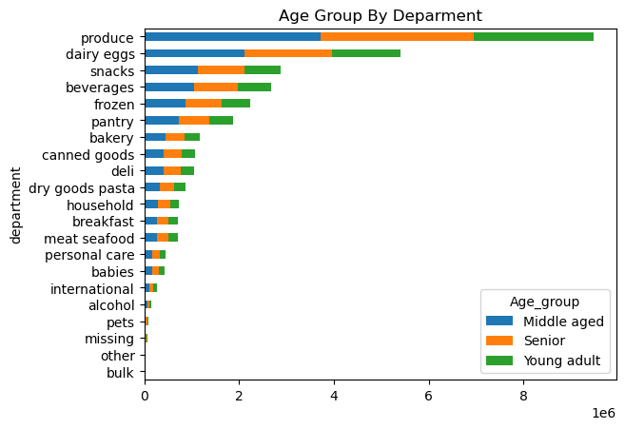

Recommendations
● Following chart show statistics for our different profiles. The age group and family status are fairly similar as far as average prices goes.
● High income customers have a higher average price paid then both of our other income groups. We can continue to maximize that market by looking into various way to reward our high income earners. Maybe a friend spends a certain amount and they get a gift card our credit towards an order.
● We have alot of categories that are not selling great and should look towards running more sales in these categories to improve sales.
●Based on the analysis, it can be concluded that the majority of Instacart customers do not have children and fall within the age range of 35 to 65 years old. These profiles remain consistent across all regions. Instacart can leverage this information to tailor their approach to different customer segments.
● Considering the presence of low-income customers who tend to spend less, Instacart should consider introducing new offers such as bonus points or discount vouchers to attract them more frequently. For instance, offering young parents a complimentary toy for their baby or a small token of appreciation could be a compelling incentive. Additionally, Instacart could consider providing free "gifts" based on the amount of money spent on a purchase.
Aggregate Groups |  |  | Average Price paid | Average Days between orders

Age Group
Young Adult |  |  | 7.79 | 11.12
Middle-aged |  |  | 7.79 | 11.10
Senior |  |  | 7.8 | 11.09
Family Status
Married no dependents |  |  | 7.80 | 11.11
Married with dependents |  |  | 8 | 11.12
Single no dependents |  |  | 7.79 | 11.08
Single with dependents |  |  | 7.80 | 11.05
Income Group
High-income |  |  | 7.96 | 11.05
Low-income |  |  | 6.50 | 11.69
Middle-income |  |  | 7.66 | 11.13

